Page 3
 | BANQUET / FUND-RAISER REPORT (Page 3)
 |  | MEMBERSHIPS

 | Total in Attendance:

 | NOTE: A Membership Fee is required at all QUWF events unless a prior membership drive
 | was conducted prior to the banquet.
QUWF MEMBERSHIPS PAID
 | # Founding Members |  | @ | $50.00 | = | $0.00
 | # Regular Annual Members |  | @ | $35.00 | = | $0.00
 | # Youth Members: |  | @ | $10.00 | = | $0.00
 | # Life Members |  | @ | $1,000.00 | = | $0.00
 | Total Members: | 0
 | See membership incentive, page 6 instructions of this report
TOTAL MEMBERSHIP Dollars
 | Sent To QUWF |  | $0.00
 | NOTE: ATTACH MEMBERSHIP LIST

LOCAL SPONSOR MEMBERSHIPS |  | Amounts charged above $250 go into WN as revenue page 1
 | $250.00 Min Per Sponsor
 | Chapter Sponsors |  |  | x $125.00 = |  | $0.00
 | Sponsor Memberships Paid | By Chapter |  | x $35.00 |  | $0.00
 | Sponsor Gift From QUWF |  |  | x $20.00 = |  | $0.00 | (subtracted)
 | (subtracted, if approved by QUWF) |  |  |  |  | $0.00

 | Sponsor WN Split Incentives:
 | 10 sponsors to 19 = 70% 30% Split
 | 20 sponsors to 39 = 75% 25% Split
 | 40 or more = 80% 20% Split

TOTAL SPONSORS: |  |  |  | 0
 |  |  |  | National
 | Table Sponsors can be included as local sponsors with the fee paid, for the incentive

 | Send a check for each of the following if applicable:
 | (Make all checks payable to QUWF)

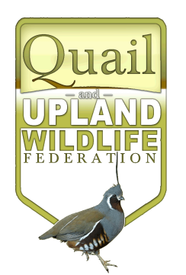
 | National Net (from page 1): = | $0.00 | Check #
 | (includes % for RD & Staff)
 | Sponsor $ | $0.00 | Check #

 | Membership $ | $0.00 | Check #

 | Argentina Dove Hunt 2 Man: | $0.00 | Check #

 | Argentina Dove Hunt 4 Man: | $0.00 | Check #

 | ATTACH: MEMBERSHIP LIST
 | COPIES OF SILENT/LIVE AUCTION RECEIPTS
 | COPIES OF CHARITABLE TAX DONATION RECEIPTS
 | COPY OF A BANQUET TICKET
 | Charge Card Slips To Be Run
 | Thank you for your patience and accuracy in completeing these forms.
 | It is all about wildlife.

Copyright © 2017 QUWF, All Rights Reserved |  |  |  |  |  | 2017 V1

Page 4
 | FUND-RAISER REPORT (Page 4)

Please list each person to whom you would like to present a Certificate of Appreciation.
PLEASE PRINT OR TYPE CLEARLY.

 | Chapter Officers | Banquet Committee Members

 | Chairman

 | Co-Chairman

 | Treasurer

 | Secretary

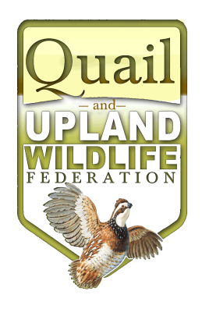

 | Thank You Again

NOTE: GREAT WORK!! Now, membership lists and the formulated proceeds of chapter
event are to be forwarded to QUWF National Headquarters within 10 days
following the event. ALL National FUNDS, the right % for RD and Field Staff, and
the 35% (or as calculated) working net total, sponsorships and memberships must be sent to
QUWF, P.O. Box 947, Buffalo , M0 65622

You will receive acknowledgement of the reports via email.

"Making a Difference for Wildlife, One Acre At A Time"™
Copyright © 2017 QUWF, All Rights Reserved |  |  | 2017 V1

